Sheet1
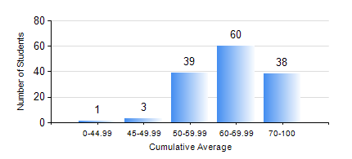
 |  |  | KWAME NKRUMAH UNIVERSITY OF SCIENCE AND TECHNOLOGY, KUMASI Department of Telecommunication Engineering

 |  |  | BSC. TELECOMMUNICATION ENG.

 |  |  | COMPREHENSIVE RECORD OF EXAMINATION RESULTS

 |  |  | RESULTS OF YEAR 4 FIRST SEMESTER, 2024/2025 ACADEMIC YEAR

 | Sn | Course Code |  | Course Name | Credit Hours | Min. Mark | Max. Mark | Avg. Mark | Std. Dev. | No. Passed | No. Trailed | No. (Df) | No. (I) | No. (I*) | No. Tagged(I,I*,Df) | Total
 | 1. | COE 475 |  | COMPUTER NETWORKING | 4 | 40 | 93 | 64 | 10.98 | 141 | 0 | 0 | 0 | 0 | 0 | 141
 | 2. | EE 489 |  | INDUSTRIAL TRAINING | 1 | 45 | 92 | 79 | 7.51 | 141 | 0 | 0 | 0 | 0 | 0 | 141
 | 3. | ME 491 |  | ENGINEERING ECONOMICS AND MANAGEMENT | 3 | 41 | 90 | 74 | 9.48 | 141 | 0 | 0 | 0 | 0 | 0 | 141
 | 4. | TE 291 |  | TELECOMMUNICATIONS LAB I | 2 | 85 | 85 | 85 | 0 | 1 | 0 | 0 | 0 | 0 | 0 | 1
 | 5. | TE 461 |  | COMPUTER APPLICATION ANDPROJECT DESIGN | 3 | 40 | 93 | 76 | 9.93 | 141 | 0 | 0 | 0 | 0 | 0 | 141
 | 6. | TE 471 |  | ELECTROMAGNETIC COMPATIBILITY | 3 | 33 | 94 | 75 | 10.8 | 140 | 1 | 0 | 0 | 0 | 0 | 141
 | 7. | TE 481 |  | WIRELESS DATA COMMUNICATION NETWORK | 3 | 41 | 94 | 63 | 11.69 | 141 | 0 | 0 | 0 | 0 | 0 | 141
 | 8. | TE 497 |  | PROJECT I | 3 | 75 | 92 | 87 | 2.57 | 141 | 0 | 0 | 0 | 0 | 0 | 141

